Intro
DRAFT
 |  |  | Washington PreK to 3 System Design Toolkit
 |  |  | DRAFT July - 2021
Introduction
The Minnesota P3 System Design Toolkit was developed to help school districts and their communities develop and implement comprehensive, high-quality P3 systems. Districts and their communities should develop and implement a P3 model/system that best meets the needs of schools, children and their families. This toolkit was designed as an Excel spreadsheet with the goal that districts amend it to best meet their needs/goals.
I. Structure of Toolkit
Tab | Title
 | Introduction: Provides an introduction to this toolkit.
1 | Planning Team: Determine leadership and establish planning and design teams.
2 | Data Gathering: Gather data and information necessary to plan and design your P3 system.
3 | System Design: Helps with the design of your P3 system.
3.1 | Budget Helper: Tool to help determine cost of programming in your P3 system.
3.2 | Expenditure Table: Helps districts braid funds.
3.3 | Revenue Table: Helps districts know what funds are available for early childhood programming and services.
 | Defining Blending: Provides a definition of blending and braiding.
 | Defining Quality: Helps districts/communities think of elements of high-quality early childhood programs.
II. Guiding Principles
• Building effective P3 systems requires an intentional, dedicated focus on system design, implementation, and evaluation;
• Building effective P3 systems requires an intentional, dedicated focus on changes in adult knowledge, skills, and mindsets;
• Effective P3 systems require shared leadership and administration;
• Effective P3 systems are comprehensive, inclusive, and coherent;
• Effective P3 systems require a community of learners supported by ongoing professional learning available through multiple venues (traditional, online, hybrid, etc.); and
• Effective P3 systems utilize data to inform and/or drive planning and decision making.
II. Guidance
Commitment |  | Planning, designing, and implementing P3 systems requires a strong commitment on behalf of districts and communities.

System Focus |  | Focus on the system building, particularly alignment and coherence. In short, the goal is to take various systems (e.g., K-12, early childhood, child care, Head Start, etc.) and create one system focused on providing consistent, coherent experiences for children and families.

Toolkit as a Tool |  | Use this toolkit as a tool to help you design your P3 system. Feel free to edit to fit your needs. Certainly, the program you design and implement should be high-quality with a focus on continual improvement.

Dedicated Leadership |  | P3 systems especially need the commitment of leadership in the district and community. P3 systems are a paradigm shift, so it will be a new way of delivering programming and services. The most meaningful progress is made when districts can assign someone to lead the P3 initiative.

Shared Understandings |  | Focus on developing a shared depth of understanding among players in your P3 system. This extends beyond common terminology to a shared depth of understanding about the nature of the work.

Alignment to Coherence |  | Ultimately, our goal is to ensure that children are successful in school and life. So, we should always be considering the alignment (i.e., how things align on paper, like plans, learning standards, and professional development) and coherence (i.e., how well alignment occurs in action) of these systems.

Focus Direction |  | Delving into P3 system work can be overwhelming. Focus the direction of your work and acknowledge progress on the way. Just like continuous improvement in any part of education, P3 is a journey, not a destination.

Collaborate |  | By definition, P3 systems require collaboration, not only between early childhood and K-12, but also between district and community partners. Likewise, collaboration between districts who are implementing P3 is highly recommended.

P3 Models |  | One of the most common questions when being introduced to the concept of P3 is, "What does it look like?" Consulting with other districts in Minnesota who are working on P3 is very helpful. Also, investigate some national examples of P3 systems like Boston, Seattle, or Vista Unified in California.

III. Resources
In addition to this toolkit, there are many resources to help with your P3 work. The most comprehensive is a website focused on P3. There is also a webpage that accompanies this toolkit. Links are below.

 | P3 in Minnesota
 | Budgeting and P3 Planning

Defining Quality
Implementing 15 Essential Elements for High Quality: A State and Local Policy Scan
Barnett, W. Steven; Weisenfeld, G. G.; Brown, Kirsty; Squires, Jim; Horowitz, Michelle
National Institute for Early Education Research (NIEER)
https://eric.ed.gov/?id=ED571657
This report explores the extent to which states (and several large cities) are positioned to provide high quality preschool education on a large scale. States and cities that are already doing so or that could do so with modest improvements offer opportunities for advocacy to advance access to high quality early education as well as for rigorous research on the outcomes of these programs. Research in such states and cities also could help to identify with more specificity the policies and conditions associated with strong educational outcomes for children. The framework for this assessment of state capacity consists of "15 essential elements" of high-quality pre-K identified by Jim Minervino based on a research review and case studies. Minervino concluded that all of these elements must be present to a considerable extent for high quality pre-K to be implemented at scale. From this perspective, each element should not be expected to contribute independently to pre-K effectiveness. These authors believe that their assessments of the extent to which each element is present in each state will be useful to those concerned with pre-K whether or not they fully agree with this perspective. Forty-one states, D.C. and three other large cities with established pre-kindergarten programs were assessed. For each state (or program within a state) the report presents an overview of the state, a table listing the conclusions regarding each element, and the evidence that was the basis for the authors' judgment on each element. The 15 elements are organized into three sections. The first is the "enabling environment," which includes two elements that were among the most difficult to assess: political will and the capacity of preschool's administering agency to provide vision and strong leadership. The second is "rigorous, articulated early learning policies," and it has eight elements, most of which were relatively straightforward to judge. The third is "strong program practices" and

Essential Organizational Supports for Early Education: The Development of a New Survey Tool to Measure Organizational Conditions
Stacy B. Ehrlich, Debra M. Pacchiano, Amanda G. Stein, and Stuart Luppescu
UChicago Consortium on School Research
https://consortium.uchicago.edu/sites/default/files/publications/Essential%20Organizational%20Supports%20for-Jul2016-Consortium.pdf
Decades of research evidence indicate that high-quality early education can positively affect the learning trajectories of disadvantaged young children. However, despite significant investments to improve what happens in the classroom, publicly funded pre-kindergarten programs continue to display instructional quality that is too weak to prepare children for kindergarten (Burchinal et al., 2010; Office of Head Start, Administration for Children & Families, U.S. Department of Health & Human Services, 2013, 2014, 2015a). In 2014, UChicago Consortium launched a partnership with The Ounce of Prevention Fund (Ounce) to explore how the measurement of the five essentials could be adapted and applied to early childhood settings in an effort to help the early childhood field measure organizational conditions and consider how these conditions influence classroom practices. This survey development brief documents the adaptation and refinement of the UChicago Consortium's K-12 Five Essentials survey for use in publicly-funded early education programs, including federally-funded Head Start, state-, and locally-funded programs that provide center-based services (not home-based services) to three- and four-year-old children. The resulting Five Essentials-Early Education consists of two surveys—one for early educators and one for parents—designed to capture indicators of processes occurring at the school or center level that, in prior research, have been linked to improvements in student learning. This brief encompasses the first two years of survey development. A validation study is currently underway, and researchers are investigating both the teacher and parent surveys to understand whether responses to these surveys are related to classroom and child outcomes across different settings and with different populations.

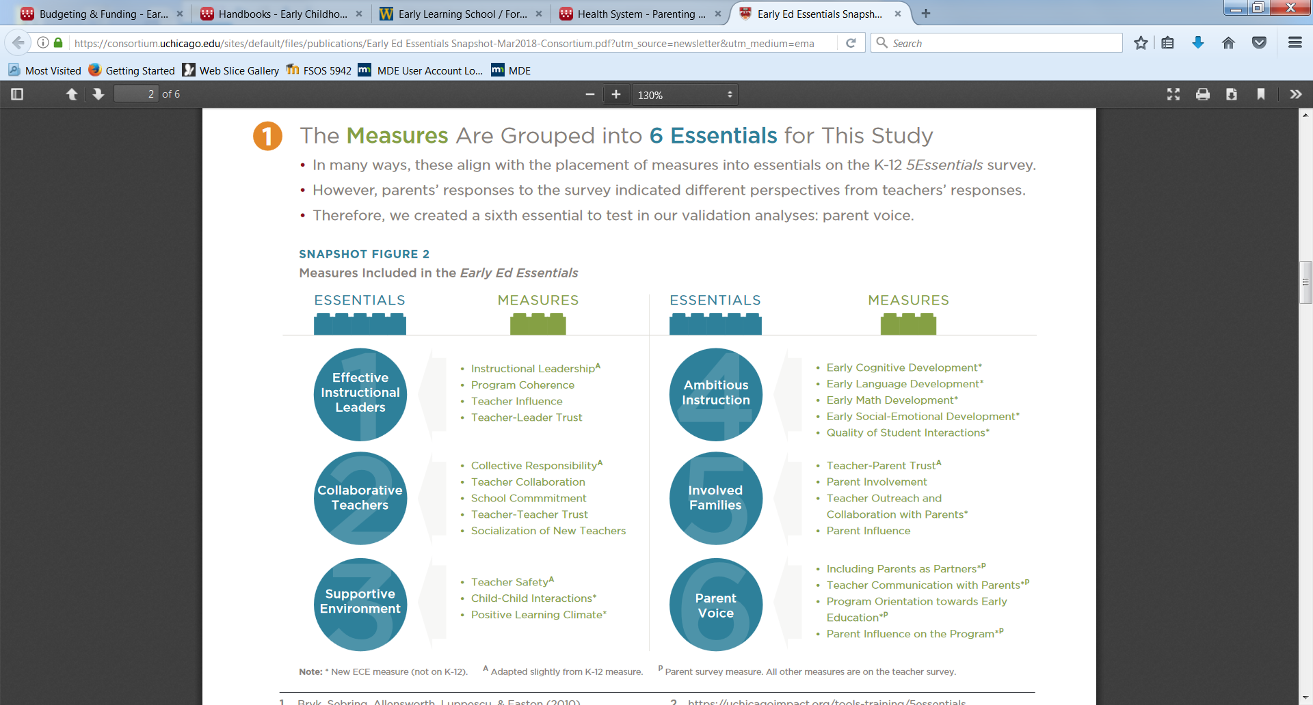

https://consortium.uchicago.edu/sites/default/files/publications/Early%20Ed%20Essentials%20Snapshot-Mar2018-Consortium.pdf

