MUST READ - INSTRUCTIONS
LRE Verification Calculator
As part of OSPI’s ongoing verification and validation of data and information submitted annually to the United States Department of Education, Office of Special Education Programs (OSEP), the Special Education section at OSPI is providing this optional resource to assist districts in verifying Least Restrictive Environment (LRE) calculations. The LRE Verification Calculator clarifies the reporting requirements, instructions, and parameters associated with LRE calculations conducted by LEAs and ensures that each LEA is uniformly and correctly calculating the data associated with Indicators B-5 (LRE for Children in Grades K-12 (including children age 5 and in kindergarten or transitional kindergarten)) and B-6 (LRE for Children Ages 3-5 and in Preschool) of the state’s Annual Performance Report (APR). Please note: For districts participating in a Washington Integrated System of Monitoring (WISM) review, the LRE calculator may be part of the pre-review documentation request.

Elementary, Middle, and High
These worksheets calculate instructional time in the school day as defined by the following RCW:
RCW 28A.150.205 defines instructional time as: “those hours students are provided the opportunity to engage in educational activity planned by and under the direction of school district staff, as directed by the administration and board of directors of the district, inclusive of intermissions for class changes, recess, and teacher/parent-guardian conferences… and exclusive of time actually spent for meals."
1. As described in Bulletin 028-18 (http://www.k12.wa.us/BulletinsMemos/Bulletins2018/B028-18.pdf), there has been a change in the full-time equivalent (FTE) calculation. Beginning in the 2018-19 school year, 1,665 weekly minutes for all grades will equal 1.00 FTE. If any of the schools entered into the LRE calculator (or any other schools within the district) have less than 1,665 total minutes per week, it is recommended that the district consult with its business manager to address this potential concern.
2. For those schools implementing the Breakfast After the Bell program, the time spent eating breakfast does not need to be removed from the LRE calculation, only the time spent eating lunch.

What Data To Enter in the Elementary, Middle, and High Tabs
The length of the school day (i.e., the denominator of the LRE code calculation) is calculated using three factors: Start time, End time, and Lunch time.
Start time is defined as the time the 1st period of instruction begins.
End time is defined as the time school is dismissed.
Lunch time is defined as the time period scheduled for meals only. For combined lunch/recess schedule times, exclude all recess time - count only the time scheduled for lunch.

Do not include these factors in the LRE calculator:
1. Any zero hour period, or instructional period in which only some students (not all) participate.
2. Any early release or late start schedules that DO NOT occur every week.
3. Time allocated for extracurricular and unscheduled events.

Include these factors in the LRE calculator:
1. If the building has a scheduled early release or late start schedule on a weekly basis, insert these different start and/or end times in the second calculator. For instructions on how to do this see example 3b below.

How To Enter These Data

1. Obtain schedules for each of the buildings to be included on the calculator; ensure that the schedule aligns with the actual schedule in place at each building.

2. Determine if any building sampled has a weekly, regularly-scheduled early release or late start schedule. If so, refer to example 3b below.

3a. If there are no weekly early release or delayed start times, insert the start time, end time, and time for lunch. Enter information into the yellow cells only.
 | Example:
 | Under Start Time, enter time as XX:XX |  |  |  |  | Example: 8:30 = Eight thirty AM

 | Under End Time, enter time as XX:XX |  |  |  |  | Example: 2:45 PM (Leave a space
 | and include PM |  |  |  |  |  | between the last number
 |  |  |  |  |  |  | and PM)

 | Enter lunch time as minutes |  |  |  |  | Example: If lunch is 30 minutes long,
 |  |  |  |  |  |  | enter 30.
End Time must include PM

 | Start Time | End Time
 | 8:30:00 | 14:45:00 | 6.25 | School Day Hours
Enter Lunch Time as minutes |  | 30 | 5.75 | School Day Hours - Lunch excluded

 | Minutes per Day |  | 345 | X | 5 | 1725
 |  |  |  |  | Days per week at this schedule

For this example, ensure
that the number of days = 5.

Total Minutes per week | 1725
 |  | The LRE table for this school will auto calculate:

1725 | Minutes per week
LRE Code 1 | 1,380 | to | 1,725 | 0 | to | 345
LRE Code 2 | 690 | to | 1,379 | 346 | to | 1,035
LRE Code 3 | 0 | to | 689 | 1,036 | to | 1,725
 | Time in General Ed. Setting |  |  | Time in Special Ed. Setting

3b. If there are weekly, scheduled early release/late start schedules, use example below. Enter information into the yellow cells only.
 | Example
 | Under Start Time, enter time as XX:XX |  |  |  |  | Example: 8:30 = Eight thirty AM

 | Under End Time, enter time as XX:XX |  |  |  |  | Example: 2:45 PM (Leave a space
 | and include PM |  |  |  |  |  | between the last number
 |  |  |  |  |  |  | and PM)

 | Enter lunch time as minutes |  |  |  |  | Example: If lunch is 30 minutes long,
 |  |  |  |  |  |  | enter 30.

 | Pay attention to the box labeled "Days at this Schedule."
 | If there are four (4) days a week that begin at 8:30 and end at 2:45 PM, insert "4" for the number of days this schedule is in effect per week.

 | Start Time | End Time
 | 8:30:00 | 14:45:00 | 6.25 | School Day Hours
Enter Lunch Time as minutes |  | 30 | 5.75 | School Day Hours - Lunch excluded

 | Minutes per Day |  | 345 |  | 4 | 1380
 |  |  |  |  | Days per week at this schedule

 | If there is one (1) day a week that begins, e.g., at 8:30 AM and ends at 2:00 PM, insert "1" for the number of days this schedule is in effect per week.

 | Start Time | End Time
 | 8:30:00 | 14:00:00 | 5.50 | School Day Hours
Enter Lunch Time as minutes |  | 30 | 5.00 | School Day Hours - Lunch excluded

 | Minutes per Day |  | 300 |  | 1 | 300
 |  |  |  |  | Days per week at this schedule

Total Minutes per week | 1680 | The LRE table for this school will auto calculate:

1680 | Minutes per week
LRE Code 1 | 1,344 | to | 1,680 | 0 | to | 336
LRE Code 2 | 672 | to | 1,343 | 337 | to | 1,008
LRE Code 3 | 0 | to | 671 | 1,009 | to | 1,680
 | Time in General Ed. Setting |  |  | Time in Special Ed. Setting

4. The denominator for calculating the LRE code for each full-time student attending that school will be identified in green at the bottom of that school's template.

5. Districts should ensure that: (a) LRE calculations use the minutes per week documented on the calculator when calculating the LRE code for each student in this school for child count reporting, and (b) the IEP service matrix for students attending that school use the minutes per week documented on the calculator (if the district's IEP system includes this information in IEPs).

6. Instructions for completing the "PreK 3-5" tab are found at the bottom of this worksheet.

LRE DATA QUALITY CHECKS:

When calculating the LRE codes for individual students, the total number of minutes per week of special education time cannot exceed the total minutes per week of available general education instructional time in the school week.

Make sure that the default in any electronic IEP form used by the district does not exceed the total minutes of available general education instructional time in the week. If the district has multiple schools, and the instructional minutes vary by school, the total instructional minutes per week for LRE calculations must be determined school by school.

Remember that the numerator for LRE calculations can NEVER exceed the denominator (total instructional minutes per week).

Additional Instructions for the PreK 3-5 Template
Link to PreK 3-5 Template |  |  | Link to LRE Decision Tree |  |  | Link to CEDARS Manual (see App W, p. 55)
1. Select up to five students who are currently ages 3 through 5 and in preschool. Children who are 5 and in kindergarten or transitional kindergarten (TK), should not be included. (Children who are age 5 and in kindergarten or TK are included in the K-12 LRE codes).
2. Complete one template for each child sampled. Enter information into the yellow cells only.
3. Enter the child's SSID number at the top of the template page.
4. To determine whether the child is participating in a regular early childhood program, enter the total number of children who attend the instructional program in which this child participates. If the child attends more than one instructional program, do not add the numbers of students from these programs together - enter only the number of students from the program that you believe might be a regular early childhood program.
Note: An early childhood instructional program may include, but is not limited to: Head Start; kindergarten; preschool classes offered to an eligible pre-kindergarten population by the public school system; private kindergartens or preschools; and group child development center or child care. In order to consider an early childhood environment in the LRE calculation, you must know the composition of the program. If you do not know the composition of the program, then do not use this program in the calculation.
5. Enter the number of those children who have an IEP in this instructional program. The template will automatically calculate the percent of children with IEPs in that instructional program, and identify whether this is a regular early childhood program or a special education program. If it is a regular early childhood program, complete the left side (section A in orange). If it is a special education program, complete the right side (section B in blue). Complete only one side of each template - do not complete both sections A and B.
6a. Section A (left side): If the top of the template tells you to complete Section A, enter the time that the child's regular early childhood program begins and ends. Note: Excel defaults times to "AM"; if you are entering an afternoon time, remember to include "PM" (e.g., 2:30 PM). Enter the number of days per week that the child attends this program. If the child's program differs during the week (e.g., they come for 2 hours on Mon/Wed and for 3 hours on Tues/Thur), there is an additional set of yellow cells provided for your use. Do not include changes in the student's schedule UNLESS they occur every week.
Click on the last yellow box under section A to make a drop-down menu button appear. If the child receives a majority of their special education and related services (i.e., 50% or more) in the regular early childhood setting, select "In a setting with at least 50% nondisabled children". If the child receives more than 50% of their special education services in a different setting, select "Elsewhere". The template will then identify which CEDARS LRE code to use for this student.
6b. Section B (right side): If the top of the template tells you to complete section B, click in the yellow box under section B, to make a drop-down menu appear. Start at the top of the list, and work down - selecting the first category that best describes the setting in which the student is receiving his/her services. Once a selection is made, additional information about that setting will appear below the yellow box. Use this description to confirm the accuracy of the placement selected. The template will then identify which CEDARS LRE code to use for this student.

 |  |  |  |  |  | For more information on early childhood LRE calculations, click here: | Early Childhood LRE Resources

PreK Decision Tree
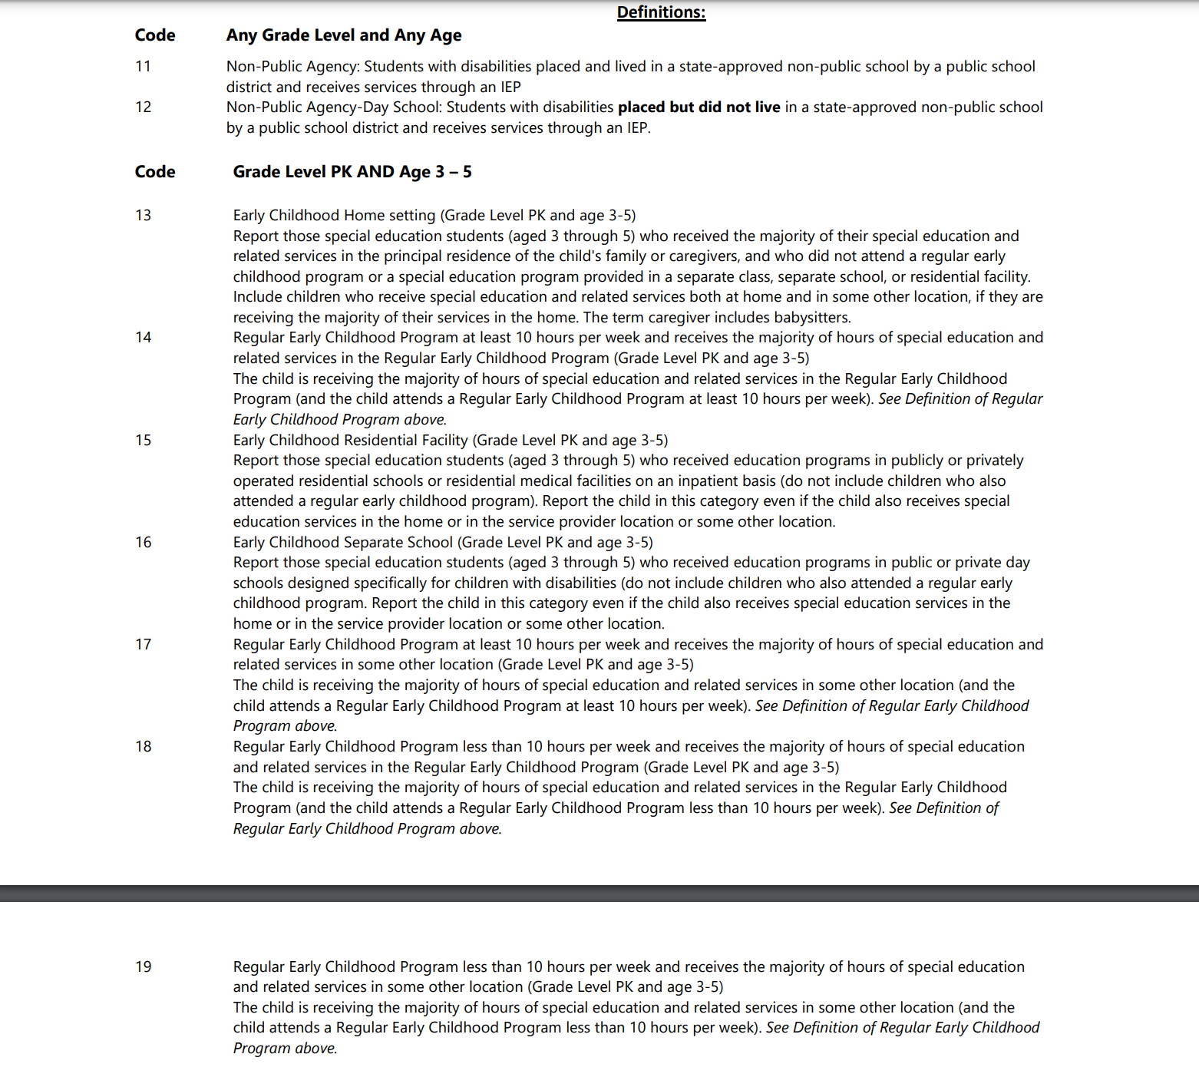
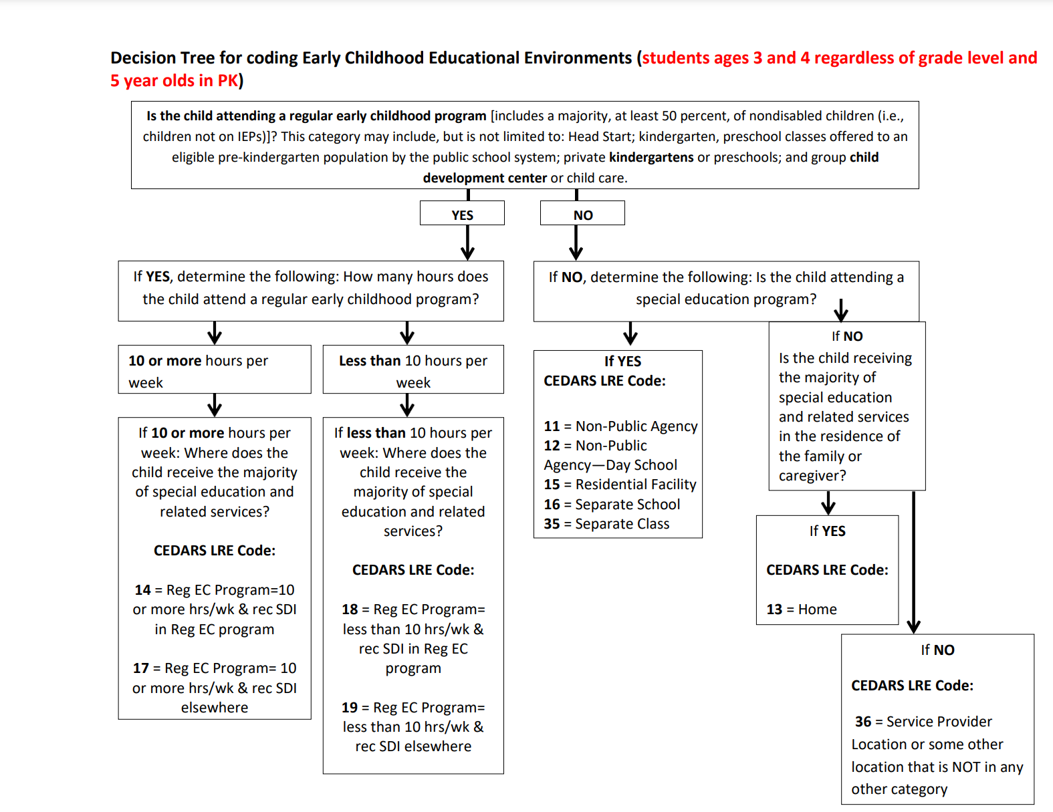
Link to instructions

Link to PreK 3-5 Template

Link to CEDARS Manual (see App W, p. 55)

Link to EC LRE resources

